Hoja1
 | Gama Baja |  |  | Gama Media |  |  | Gama Alta
 | Intel | AMD | Custom | Intel | AMD | Custom | Intel | AMD | Custom
Procesador |  |  |  |  | 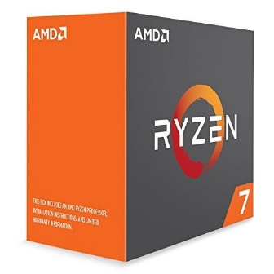 |  |  |  | 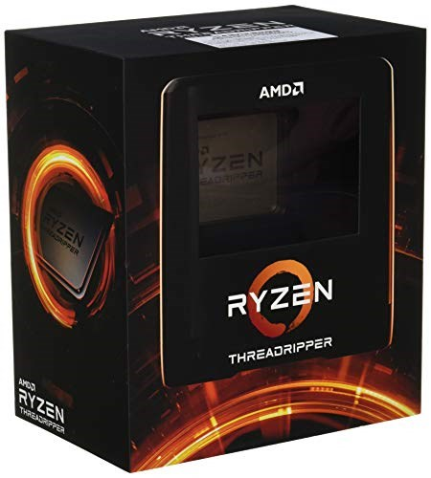
 | Core i3 7100 | Ryzen 3300G | Intel Core i3-10100 4 Cores 4.3 GHz Socket LGA1200 65W | Intel Core i5-10400F 2.9 GHz 6-Core Processor | AMD Ryzen 7 1800X 3.6 GHz 8-Core AM4 YD180XBCAEWOF (NO HEATSINK INCLUDED) | AMD Ryzen 5 2600 6-Core 3.4GHz (3.9GHz Max Boost) Socket AM4 65W | Intel Core i7-10700K 3.80GHz Unlocked LGA1200 125W | AMD Ryzen 7 3800XT 8-core 16-Threads AM4 Unlocked | AMD Ryzen Threadripper 3970X 32-Core 64-Thread Unlocked
Placa Madre | 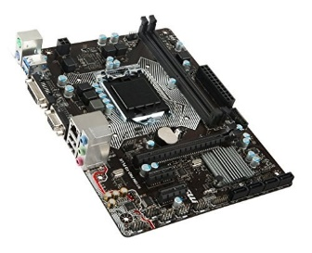 | 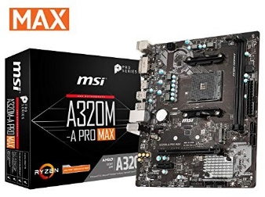 | 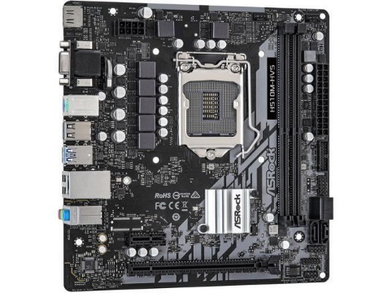 | 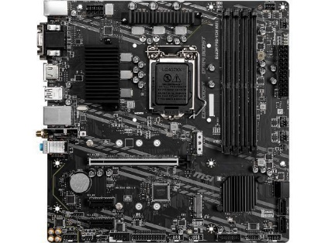 |  |  | 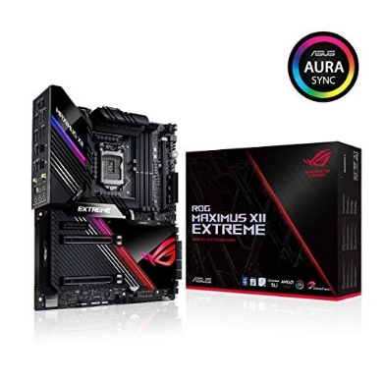 | 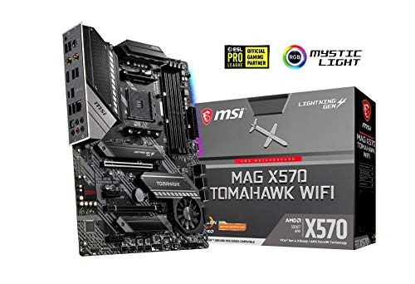
 | MSI H110M PRO-VD PLUS MOTHERBOARD | MSI A320M-A PRO MAX AM4 DDR4 HDMI DVI M.2 USB 3 Micro-ATX | ASRock H510M-HVS LGA 1200 Micro ATX | MSI B460M PRO-VDH WIFI Micro ATX LGA1200 Motherboard | MSI A320M-A PRO MAX AM4 DDR4 HDMI DVI M.2 USB 3 Micro-ATX | Biostar A320MH A320 microATX | ASUS ROG Maximus XII Extreme Z490 (WiFi 6) LGA 1200 | MSI MAG AMD X570 Tomahawk WiFi Socket AM4 DDR4 ATX | MSI TRX40 PRO WiFi sTRX4 PCIe Gen4 M.2 USB3.2 Gen2x2 DDR4 Dual 10G LAN Wi-Fi 6 ATX
Memoria Primaria |  |  |  | 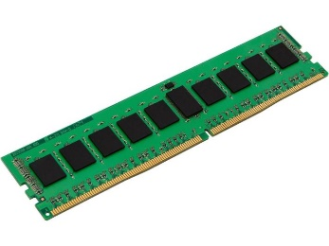 |  | 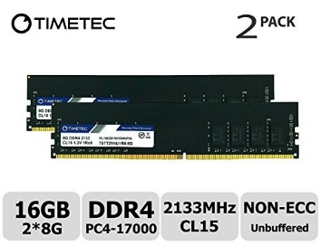 |  |  | 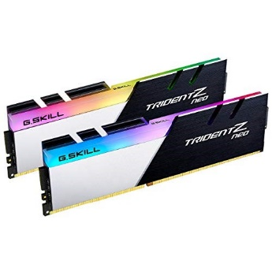
 | Crucial 4GB Single DDR4 3200 MT/s (PC4-25600) CL22 SR x16 UDIMM 288 | Crucial 4GB Single DDR4 3200 MT/s (PC4-25600) CL22 SR x16 UDIMM 288 | Kingston KVR26N19S6/4 ValueRAM DDR4 4 GB DIMM 288-Pin 2666 MHz PC4-21300 CL19-1.2 V Unbuffered Non-ECC | Kingston ValueRAM 8 GB (1 x 8 GB) DDR4-2666 CL19 Memory | Kingston ValueRAM 8 GB (1 x 8 GB) DDR4-2666 CL19 Memory | Timetec Hynix IC 16GB (2x8GB) DDR4 2133MHz PC4-17000 Non-ECC 1.2V CL15 | Samsung M393A4K40BB0-CPB 128 GB (4 X 32GB) DDR4-2133 2Rx4 LP ECC REG Server Memory | Corsair Vengeance LPX 128GB (4x32GB) DDR4 4000 (PC4-32000) C18 1.35V | G.Skill Trident Z Neo 32GB (2x16GB) DDR4 3200MHz CL14
Memoria Secundaria | 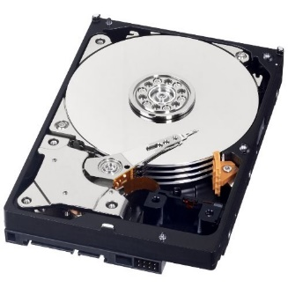 |  | 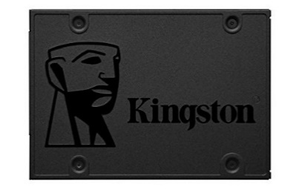 | 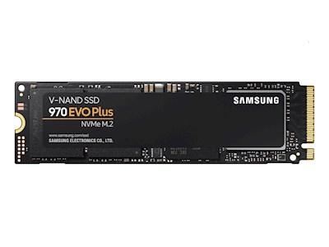 | 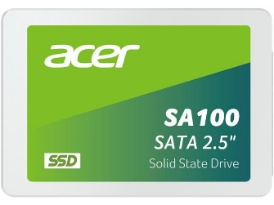 | 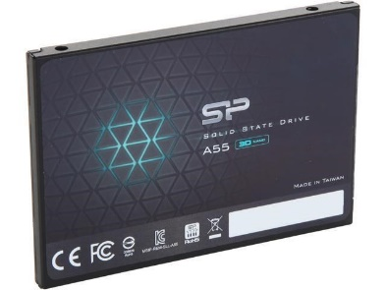
 | WD Blue 250GB 3.5" SATA 6 Gb/s 7200 RPM 16MB Cache | WD Blue 250GB 3.5" SATA 6 Gb/s 7200 RPM 16MB Cache | Kingston A400 SSD 240GB SATA 3 2.5" SA400S37/240G | Samsung 970 Evo Plus 250 GB M.2-2280 NVME Solid State Drive | Acer SA100 960GB 2.5" SATA BL.9BWWA.104 | Silicon Power Ace A55 256GB 2.5" SATA III 3D TLC | - Western Digital BLACK SN850 2TB NVMe Gen4 PCIe M.2 2280 WDS200T1X0E ______________________ - Seagate Barracuda 1TB 3.5'' SATA 3 7200RPM NCQ 64MB Cache ST1000DM003 | SAMSUNG 870 EVO 4TB 2.5" SATA III | Western Digital BLACK SN850 2TB NVMe Gen4 PCIe M.2
GPU (si es necesario) |  |  |  | 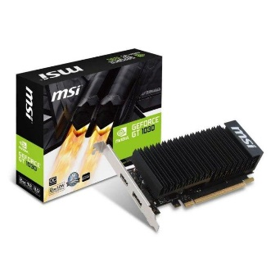 |  |  | 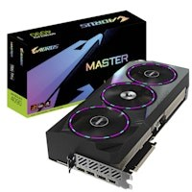 | 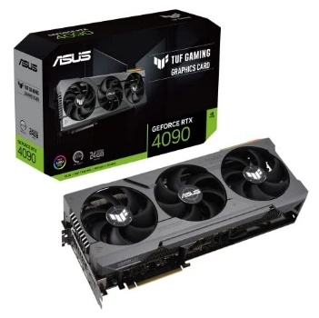 | 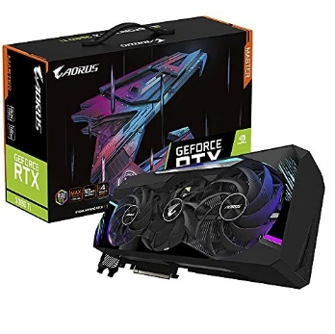
 |  |  |  | GeForce GT 1030 2GD4 LP OC | NVIDIA GeForce RTX 3060 Ti Founders Edition 8GB GDDR6 PCI Express 4.0 | Gigabyte AORUS Radeon RX 580 8GB | Gigabyte AORUS GeForce RTX 4090 MASTER 24GB GDDR6X PCI-Express | ASUS TUF Gaming GeForce RTX 4090 24GB GDDR6X TUF-RTX4090-24G-GAMING | Gigabyte AORUS GeForce RTX 3080 Ti MASTER 12GB

